1. Title Page
Project Name: Data Immersion Achievement 4, Instacart Analysis*
Date: April 2022
Analyst Name: Rachel Stevens
 | Contents:
 | Population Flow
 | Consistency checks
 | Wrangling steps
 | Column derivations
 | Visualizations
 | Recommendations

*Data pulled directly from Instacart open-source data sets. Customer data set is fictional and generated for the purpose of this analysis.

Data sources:
Customers Data Set
Data Dictionary
“The Instacart Online Grocery Shopping Dataset 2017”, Accessed from https://www.instacart.com/datasets/grocery-shopping-2017 on 4/1/22.

2. Population Flow
 | Title page

Population flow

Exclusion flag
Condition: max_order < 5
Obervations to be removed: 402644
Final total count of order_products_all: 9597356

A subset of 1000000 rows from orders_products_merged was used in the final exercise before the exclusion flag due to memory issues when trying to merge the full file
Orders_products_combined
Orders_products_merged
Orders_products_all

Total: 32404859
Total: 32434489
Total: 9597356

3. Consistency checks
 |  |  |  |  | Title page
Consistency checks

Dataset | Missing values | Missing values treatment | Outliers | Duplicates
orders | 206209 missing in days_since_prior_order | Determined data was missing when it was customer's first order, so no rows need to be filtered out | N/A | 0
products | 16 missing in product_name | Clean file saved with missing filtered out | Prices over $100 were set to missing | 5, removed
orders_products_prior | 0 | N/A | N/A | 0
customers | 0 | N/A | N/A | 0

4. Wrangling steps
 |  |  |  | Title page
Wrangling steps

Columns dropped | Columns renamed | Columns' type changed | Comment/Reason
eval_set |  |  | Did not provide any useful information
 | order_dow to orders_day_of_week |  | In case anyone reviewing report doesn't know "dow"
 |  | order_id to string | Was originally numeric, but has no actual numberic value since it is an ID
 |  | user_id to string | Was originally numeric, but has no actual numberic value since it is an ID
 | order_hour_of_day to hour_order_placed |  | For additional clarity and renaming practice
 | Surnam to Last Name |  | For additional clarity
 | STATE to State |  | For additional clarity
 | n_dependants to number_of_dependants |  | For additional clarity
 | fam_status to marital_status |  | For additional clarity
 |  | First Name to string | Had mixed data types

5. Column derivations
 |  |  |  | Title page

Column derivations and aggregations

Dataset | New column | Column/s it was derived from | Conditions
 | price_range_loc | prices | If prices<=5, low-range If prices>5 & <=15, mid-range If prices>15, high-range
 | busiest_day | orders_day_of_week | If Saturday (orders_day_of_week=0), busiest day If Wednesday (orders_day_of_week=4), least busy Else, regularly busy
 | busiest_days | orders_day_of_week | If Saturday or Sunday (orders_day_of_week=0, 1), busiest days If Tuesday or Wednesday (orders_day_of_week=3, 4), least busy Else, regularly busy
 | max_order | order_number | Max from order_number
 | loyalty_flag | max_order | If max_order>40, loyal customer If max_order>10 & <=40, regular customer If max_order<=10, new customer
 | average_spend | user_id, prices | mean price per customer
 | spend_flag | average_spend | If average_spend<10, low spender If average_spend>=10, high spender
 | median_order_frequency | user_id, days_since_prior order | median days since prior order per customer
 | order_freq_flag | median_order_frequency | If median_order_frequency>20, non-frequent customer If median_order_frequency>10 & <=20, regular customer If median_order_frequency<=10, frequent customer
 | region | state | State coded into 4 regions using census classifications
 | activity_flag | max_order | If max_order<5, low activity (and excluded from analysis) If max_order>=5, normal to high activity
 | age_bucketed | age | Age grouped into generation buckets: Gen Z/Millennial (18-41), Gen X (42-57), Boomers (58+)
 | income_bucketed | income | Income bucketed into groups: <50K, 50K-<100K, 100K-<150K, 150K+
 | parents | number_of_dependants | If number_of_dependants=0, not parent If number_of_dependants>0, parent
 | profile_loc | age, parents | If Gen Z/Millennial and not parent, young non-parent If Gen Z/Millennial and parent, young parent If Gen X and not parent, middle-age non-parent If Gen X and parent, middle-age parent If Boomer and not parent, elder non-parent If Boomer and parent, elder parent

6. Visualizations
 |  |  |  |  |  |  |  |  |  |  |  |  |  | Title page

Visualisations

1. What are the busiest days of the week and hours of the day?
2. Are there particular times of the day people spend the most money?
3. Is there a way to use simpler price range groupings to help marketing and sales with their efforts?
4. Are there certain types of products more popular than others? Which departments have the highest frequency of product orders?
5. The marketing and sales teams are particularly interested in the different types of customers in their system and how their ordering behaviors differ.
 | a. What's the distribution among users in regard to their brand loyalty (i.e., how often do they return to Instacart?)
 | b. Are there differences in ordering habits based on a customer’s loyalty status?
 | c. Are there differences in ordering habits based on a customer’s region?
 | d. Is there a connection between age and family status in terms of ordering habits?
 | e. What different classifications does the demographic information suggest? Age? Income? Certain types of goods? Family status?
 | f. What differences can you find in ordering habits of different customer profiles?

Key Question 1:
The sales team needs to know what the busiest days of the week and hours of the day are (i.e., the days and times with the most orders) in order to schedule ads at times when there are fewer orders.
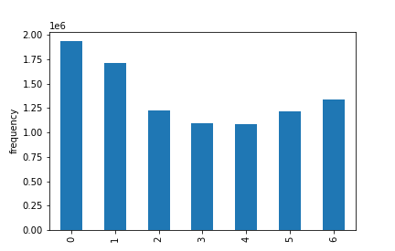
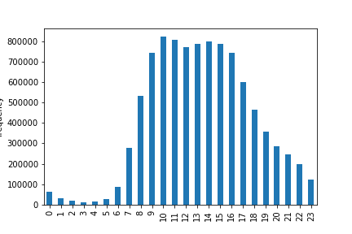
 |  |  | Orders Per Day |  |  |  |  |  |  |  | Orders Per Hour

 | Saturday | Sunday | Monday | Tuesday | Wednesday | Thursday | Friday

Key Question 2:
They also want to know whether there are particular times of the day when people spend the most money, as this might inform the type of products they advertise at these times.
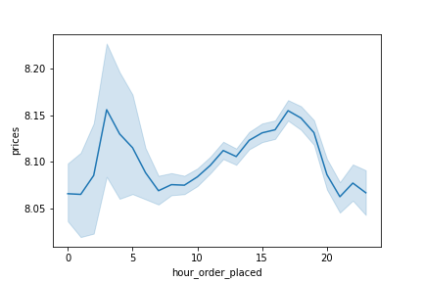
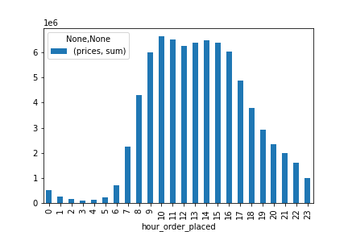
 |  |  |  | Average Prices Per Hour |  |  |  |  |  |  | Total Prices Per Hour

Key Question 3:
Instacart has a lot of products with different price tags. Marketing and sales want to use simpler price range groupings to help direct their efforts.
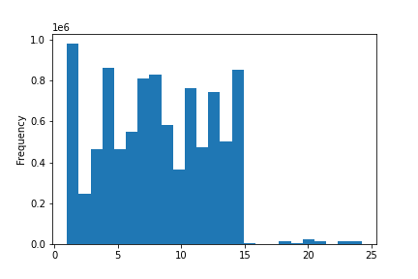
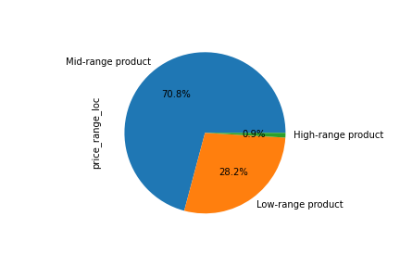
 |  |  | Histogram of Prices
 |  |  |  |  |  |  |  |  |  |  | Price Range Buckets

 |  |  |  |  |  |  |  |  | $6 to $15

 |  |  |  |  |  |  |  |  |  |  |  |  |  | Over $15

 |  |  |  |  |  |  |  |  |  |  |  |  | $5 and below

Key Question 4:
Are there certain types of products that are more popular than others? The marketing and sales teams want to know which departments have the highest frequency of product orders.
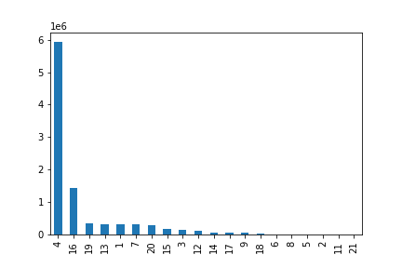
 |  |  | Orders by Department
 |  |  |  |  |  |  |  | Legend
 |  |  |  |  |  |  |  | 1 | frozen |  | 12 | meat seafood
 |  |  |  |  |  |  |  | 2 | other |  | 13 | pantry
 |  |  |  |  |  |  |  | 3 | bakery |  | 14 | breakfast
 |  |  |  |  |  |  |  | 4 | produce |  | 15 | canned goods
 |  |  |  |  |  |  |  | 5 | alcohol |  | 16 | dairy eggs
 |  |  |  |  |  |  |  | 6 | international |  | 17 | household
 |  |  |  |  |  |  |  | 7 | beverages |  | 18 | babies
 |  |  |  |  |  |  |  | 8 | pets |  | 19 | snacks
 |  |  |  |  |  |  |  | 9 | dry goods pasta |  | 20 | deli
 |  |  |  |  |  |  |  | 10 | bulk |  | 21 | missing
 |  |  |  |  |  |  |  | 11 | personal care

Key Question 5A:
What’s the distribution among users in regards to their brand loyalty (i.e., how often do they return to Instacart)?
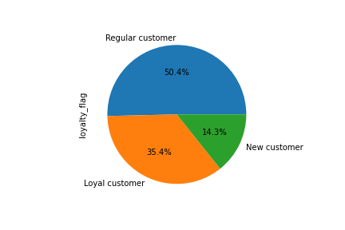
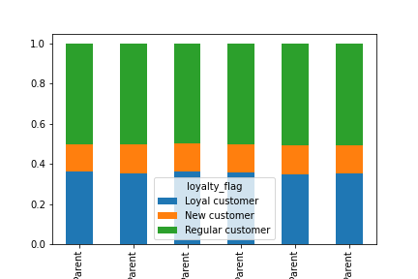

 |  |  |  | Customer Loyalty Status |  |  |  |  | Loyalty Proportions by Profile

 |  |  |  |  |  |  |  |  | Elder Non-Parent | Elder Parent | Middle-Age Non-Parent | Middle-Age Parent | Young Non-Parent | Young Parent

Key Question 5B:
Are there differences in ordering habits based on a customer’s loyalty status?

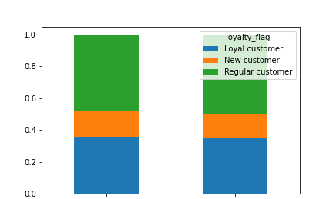
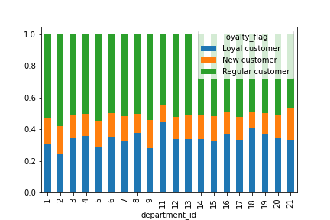
 |  | Loyalty Proportions by Spend Level |  |  |  |  |  |  |  | Loyalty Proportions by Department

 |  |  |  |  |  |  |  |  |  |  |  |  |  |  | Legend
 |  |  |  |  |  |  |  |  |  |  |  |  |  |  | 1 | frozen |  | 12 | meat seafood
 |  |  |  |  |  |  |  |  |  |  |  |  |  |  | 2 | other |  | 13 | pantry
 |  |  |  |  |  |  |  |  |  |  |  |  |  |  | 3 | bakery |  | 14 | breakfast
 |  |  |  |  |  |  |  |  |  |  |  |  |  |  | 4 | produce |  | 15 | canned goods
 |  |  |  |  |  |  |  |  |  |  |  |  |  |  | 5 | alcohol |  | 16 | dairy eggs
 |  |  |  |  |  |  |  |  |  |  |  |  |  |  | 6 | international |  | 17 | household
 |  |  |  |  |  |  |  |  |  |  |  |  |  |  | 7 | beverages |  | 18 | babies
 |  |  |  |  |  |  |  |  |  |  |  |  |  |  | 8 | pets |  | 19 | snacks
 |  |  |  |  |  |  |  |  |  |  |  |  |  |  | 9 | dry goods pasta |  | 20 | deli
 |  |  |  |  |  |  |  |  |  |  |  |  |  |  | 10 | bulk |  | 21 | missing
 |  |  |  |  |  |  |  |  |  |  |  |  |  |  | 11 | personal care

 |  | High Spender |  |  | Low Spender

Key Question 5C:
Are there differences in ordering habits based on a customer’s region?
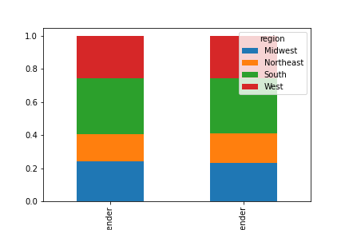
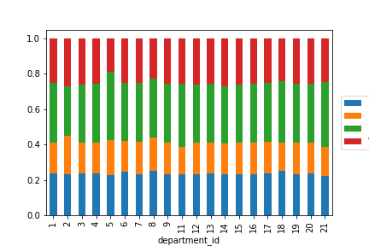

 |  |  | Region by Spend Level |  |  |  |  |  |  | Region by Department

 |  |  |  |  |  |  |  |  |  |  |  |  |  |  |  | Legend
 |  |  |  |  |  |  |  |  |  |  |  |  |  |  |  | 1 | frozen |  | 12 | meat seafood
 |  |  |  |  |  |  |  |  |  |  |  |  |  |  |  | 2 | other |  | 13 | pantry
 |  |  |  |  |  |  |  |  |  |  |  |  |  |  |  | 3 | bakery |  | 14 | breakfast
 |  |  |  |  |  |  |  |  |  |  |  |  |  |  | Midwest | 4 | produce |  | 15 | canned goods
 |  |  |  |  |  |  |  |  |  |  |  |  |  |  | Northeast | 5 | alcohol |  | 16 | dairy eggs
 |  |  |  |  |  |  |  |  |  |  |  |  |  |  | South | 6 | international |  | 17 | household
 |  |  |  |  |  |  |  |  |  |  |  |  |  |  | West | 7 | beverages |  | 18 | babies
 |  |  |  |  |  |  |  |  |  |  |  |  |  |  |  | 8 | pets |  | 19 | snacks
 |  |  |  |  |  |  |  |  |  |  |  |  |  |  |  | 9 | dry goods pasta |  | 20 | deli
 |  |  |  |  |  |  |  |  |  |  |  |  |  |  |  | 10 | bulk |  | 21 | missing
 |  |  |  |  |  |  |  |  |  |  |  |  |  |  |  | 11 | personal care

 |  | High Spender |  |  | Low Spender

Key Question 5D:
Is there a connection between age and family status in terms of ordering habits?
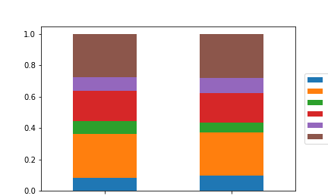
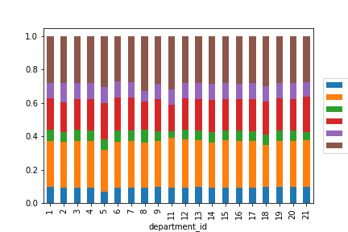
 |  |  | Profile by Spend Level |  |  |  |  |  |  |  |  |  | Profile by Department

 |  |  |  |  |  |  |  |  |  |  |  |  |  |  |  |  |  |  |  |  | Legend
 |  |  |  |  |  |  |  |  |  |  |  |  |  |  |  |  |  |  |  |  | 1 | frozen | 12 | meat seafood
 |  |  |  |  |  |  |  |  |  |  |  |  |  |  |  |  |  |  |  |  | 2 | other | 13 | pantry
 |  |  |  |  |  |  |  |  |  |  |  |  |  |  |  |  |  |  |  |  | 3 | bakery | 14 | breakfast
 |  |  |  |  |  |  |  | Elder Non-Parent |  |  |  |  |  |  |  |  |  | Elder Non-Parent |  |  | 4 | produce | 15 | canned goods
 |  |  |  |  |  |  |  | Elder Parent |  |  |  |  |  |  | Midwest |  |  | Elder Parent |  |  | 5 | alcohol | 16 | dairy eggs
 |  |  |  |  |  |  |  | Middle-Age Non-Parent |  |  |  |  |  |  | Northeast |  |  | Middle-Age Non-Parent |  |  | 6 | international | 17 | household
 |  |  |  |  |  |  |  | Middle-Age Parent |  |  |  |  |  |  | South |  |  | Middle-Age Parent |  |  | 7 | beverages | 18 | babies
 |  |  |  |  |  |  |  | Young Non-Parent |  |  |  |  |  |  | West |  |  | Young Non-Parent |  |  | 8 | pets | 19 | snacks
 |  |  |  |  |  |  |  | Young Parent |  |  |  |  |  |  |  |  |  | Young Parent |  |  | 9 | dry goods pasta | 20 | deli
 |  |  |  |  |  |  |  |  |  |  |  |  |  |  |  |  |  |  |  |  | 10 | bulk | 21 | missing
 |  |  |  |  |  |  |  |  |  |  |  |  |  |  |  |  |  |  |  |  | 11 | personal care

 |  | High Spender |  |  | Low Spender

Key Question 5E:
What different classifications does the demographic information suggest? Age? Income? Certain types of goods? Family status?

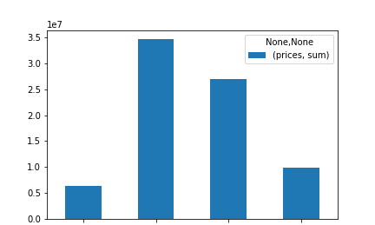
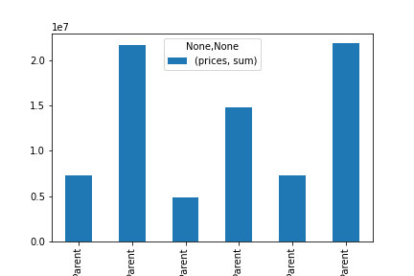
 |  |  | Aggregated Spend by Income Level |  |  |  |  |  |  | Aggregated Spend by Age/Family Status Profile

 | <$50K |  | $50K - <$100K |  | $100K - <$150K | $150K+ |  |  | Elder Non-Parent | Elder Parent | Middle-Age Non-Parent | Middle-Age Parent | Young Non-Parent | Young Parent

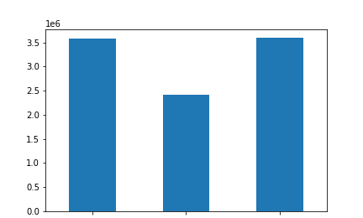
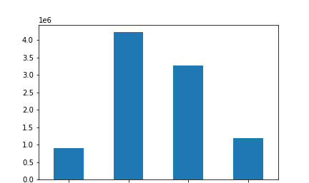
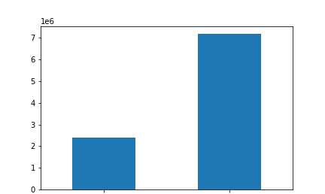
 |  |  | Age Breakdown |  |  |  |  |  |  |  | Income Breakdown |  |  |  |  |  |  |  | Have Children in Household/Parents

 | Boomers (58+) |  |  | Gen X (42-57) |  | Gen Z/Millennial (18-41) |  |  | <$50K |  | $50K - <$100K |  | $100K - <$150K | $150K+ |  |  |  | No Children in HH |  |  |  | Chilren in HH

Key Question 5F:
What differences can you find in ordering habits of different customer profiles? Consider the price of orders, the frequency of orders, the products customers are ordering, and anything else you can think of.

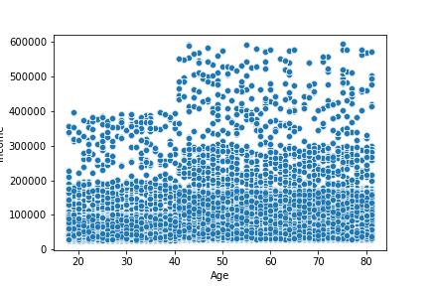
 |  |  |  |  |  |  |  | Income x Age

Profile Group |  |  | Average Price
Elder Non-Parent |  |  | 8.121798
Elder Parent |  |  | 8.104594
Middle-Age Non-Parent |  |  | 8.125809
Middle-Age Parent |  |  | 8.101882
Young Non-Parent |  |  | 8.098337
Young Parent |  |  | 8.105963

Profile Group |  |  | Average Order Number
Elder Non-Parent |  |  | 18.87195
Elder Parent |  |  | 18.52274
Middle-Age Non-Parent |  |  | 18.786487
Middle-Age Parent |  |  | 18.584574
Young Non-Parent |  |  | 18.526422
Young Parent |  |  | 18.697518

7. Recommendations
 |  |  |  |  |  |  |  |  |  |  |  |  |  | Title page

Recommendations

1. What are the busiest days of the week and hours of the day?
2. Are there particular times of the day people spend the most money?
3. Is there a way to use simpler price range groupings to help marketing and sales with their efforts?
4. Are there certain types of products more popular than others? Which departments have the highest frequency of product orders?
5. The marketing and sales teams are particularly interested in the different types of customers in their system and how their ordering behaviors differ.
 | a. What's the distribution among users in regard to their brand loyalty (i.e., how often do they return to Instacart?)
 | b. Are there differences in ordering habits based on a customer’s loyalty status?
 | c. Are there differences in ordering habits based on a customer’s region?
 | d. Is there a connection between age and family status in terms of ordering habits?
 | e. What different classifications does the demographic information suggest? Age? Income? Certain types of goods? Family status?
 | f. What differences can you find in ordering habits of different customer profiles?

Key Question 1:
The sales team needs to know what the busiest days of the week and hours of the day are (i.e., the days and times with the most orders) in order to schedule ads at times when there are fewer orders.
The busiest days of the week are Saturday and Sunday. The busiest hours of the day are between 9AM and 5PM. Instacart should schedule ads on weekdays, especially Tuesdays and Wednesday, outside of the peak hours to attract more customers during slower periods.

 |  |  | Orders Per Day |  |  |  |  |  |  |  | Orders Per Hour

 | Saturday | Sunday | Monday | Tuesday | Wednesday | Thursday | Friday

Key Question 2:
They also want to know whether there are particular times of the day when people spend the most money, as this might inform the type of products they advertise at these times.
The highest average prices tend to occur either first thing in the early morning around 3-4AM, or later in the afternoon around 4-6PM. However, the highest order total occurs between the busiest ordering hours of 9AM-5PM. Instacart should take into consideration any higher-priced items that are popular at uncommon ordering times (like 3-4am) and advertise those items at that time.

 |  |  |  | Average Prices Per Hour |  |  |  |  |  |  | Total Prices Per Hour

Key Question 3:
Instacart has a lot of products with different price tags. Marketing and sales want to use simpler price range groupings to help direct their efforts.
A large majority of Instacart prices fall into what we have defined as mid-range products (prices between $6 and $15) or low-range products (prices $5 and under). Very few products fall into the high-range category.

 |  |  | Histogram of Prices
 |  |  |  |  |  |  |  |  |  |  | Price Range Buckets

 |  |  |  |  |  |  |  |  | $6 to $15

 |  |  |  |  |  |  |  |  |  |  |  |  |  | Over $15

 |  |  |  |  |  |  |  |  |  |  |  |  | $5 and below

Key Question 4:
Are there certain types of products that are more popular than others? The marketing and sales teams want to know which departments have the highest frequency of product orders.
Produce is by far the most popular department, followed by dairy/eggs. A number of departments, such as babies, international, pets, alcohol, and personal care have very few orders. Instacart should increase advertising of the pets, alcohol, and personal care departments as some shoppers may be unaware they can place orders for items in these categories. The babies category should be especially marketed to young parents.

 |  |  | Orders by Department
 |  |  |  |  |  |  |  | Legend
 |  |  |  |  |  |  |  | 1 | frozen |  | 12 | meat seafood
 |  |  |  |  |  |  |  | 2 | other |  | 13 | pantry
 |  |  |  |  |  |  |  | 3 | bakery |  | 14 | breakfast
 |  |  |  |  |  |  |  | 4 | produce |  | 15 | canned goods
 |  |  |  |  |  |  |  | 5 | alcohol |  | 16 | dairy eggs
 |  |  |  |  |  |  |  | 6 | international |  | 17 | household
 |  |  |  |  |  |  |  | 7 | beverages |  | 18 | babies
 |  |  |  |  |  |  |  | 8 | pets |  | 19 | snacks
 |  |  |  |  |  |  |  | 9 | dry goods pasta |  | 20 | deli
 |  |  |  |  |  |  |  | 10 | bulk |  | 21 | missing
 |  |  |  |  |  |  |  | 11 | personal care

Key Question 5A:
What’s the distribution among users in regards to their brand loyalty (i.e., how often do they return to Instacart)?
35% of customers are loyal customers (have placed over 40 orders), half are regular customers (have placed 11-40 orders), and 14% are new customers (10 orders or less). Loyalty does not vary by age/parental status. Introducing a loyalty rewards program could incentivize shoppers to return to Instacart, such as cash back, credits towards future purchases, or coupoons.

 |  |  |  | Customer Loyalty Status |  |  |  |  | Loyalty Proportions by Profile

 |  |  |  |  |  |  |  |  | Elder Non-Parent | Elder Parent | Middle-Age Non-Parent | Middle-Age Parent | Young Non-Parent | Young Parent

Key Question 5B:
Are there differences in ordering habits based on a customer’s loyalty status?
Spend habits are very similar across loyalty status. While most purchases are made by regular customers, loyal customers shop for personal care products more than new and regular customers, potentially due to higher awareness of what categories are available. Again, advertising for less popular departments should be advertised more to increase overall awareness.

 |  | Loyalty Proportions by Spend Level |  |  |  |  |  |  |  | Loyalty Proportions by Department

 |  |  |  |  |  |  |  |  |  |  |  |  |  |  | Legend
 |  |  |  |  |  |  |  |  |  |  |  |  |  |  | 1 | frozen |  | 12 | meat seafood
 |  |  |  |  |  |  |  |  |  |  |  |  |  |  | 2 | other |  | 13 | pantry
 |  |  |  |  |  |  |  |  |  |  |  |  |  |  | 3 | bakery |  | 14 | breakfast
 |  |  |  |  |  |  |  |  |  |  |  |  |  |  | 4 | produce |  | 15 | canned goods
 |  |  |  |  |  |  |  |  |  |  |  |  |  |  | 5 | alcohol |  | 16 | dairy eggs
 |  |  |  |  |  |  |  |  |  |  |  |  |  |  | 6 | international |  | 17 | household
 |  |  |  |  |  |  |  |  |  |  |  |  |  |  | 7 | beverages |  | 18 | babies
 |  |  |  |  |  |  |  |  |  |  |  |  |  |  | 8 | pets |  | 19 | snacks
 |  |  |  |  |  |  |  |  |  |  |  |  |  |  | 9 | dry goods pasta |  | 20 | deli
 |  |  |  |  |  |  |  |  |  |  |  |  |  |  | 10 | bulk |  | 21 | missing
 |  |  |  |  |  |  |  |  |  |  |  |  |  |  | 11 | personal care

 |  | High Spender |  |  | Low Spender

Key Question 5C:
Are there differences in ordering habits based on a customer’s region?
Spend habits are very similar across region. Alcohol is more frequently purchased in the South, and least frequently in the West.

 |  |  | Region by Spend Level |  |  |  |  |  |  | Region by Department

 |  |  |  |  |  |  |  |  |  |  |  |  |  |  |  | Legend
 |  |  |  |  |  |  |  |  |  |  |  |  |  |  |  | 1 | frozen |  | 12 | meat seafood
 |  |  |  |  |  |  |  |  |  |  |  |  |  |  |  | 2 | other |  | 13 | pantry
 |  |  |  |  |  |  |  |  |  |  |  |  |  |  |  | 3 | bakery |  | 14 | breakfast
 |  |  |  |  |  |  |  |  |  |  |  |  |  |  | Midwest | 4 | produce |  | 15 | canned goods
 |  |  |  |  |  |  |  |  |  |  |  |  |  |  | Northeast | 5 | alcohol |  | 16 | dairy eggs
 |  |  |  |  |  |  |  |  |  |  |  |  |  |  | South | 6 | international |  | 17 | household
 |  |  |  |  |  |  |  |  |  |  |  |  |  |  | West | 7 | beverages |  | 18 | babies
 |  |  |  |  |  |  |  |  |  |  |  |  |  |  |  | 8 | pets |  | 19 | snacks
 |  |  |  |  |  |  |  |  |  |  |  |  |  |  |  | 9 | dry goods pasta |  | 20 | deli
 |  |  |  |  |  |  |  |  |  |  |  |  |  |  |  | 10 | bulk |  | 21 | missing
 |  |  |  |  |  |  |  |  |  |  |  |  |  |  |  | 11 | personal care

 |  | High Spender |  |  | Low Spender

Key Question 5D:
Is there a connection between age and family status in terms of ordering habits?
To help us review data by different demographics, age and parental status were combined into a profile variable made up of elder parents/non-parents (ages 58+), middle-age parents/non-parents (ages 42-57), and young parents/non-parents (ages 18-41).
Ordering habits are very similar across these profile groups. Elder groups are the least likely to purchase alcohol, while alcohol, pet, baby, and personal care purchases are more popular among young parents.

 |  |  | Profile by Spend Level |  |  |  |  |  |  |  |  |  | Profile by Department

 |  |  |  |  |  |  |  |  |  |  |  |  |  |  |  |  |  |  |  |  | Legend
 |  |  |  |  |  |  |  |  |  |  |  |  |  |  |  |  |  |  |  |  | 1 | frozen | 12 | meat seafood
 |  |  |  |  |  |  |  |  |  |  |  |  |  |  |  |  |  |  |  |  | 2 | other | 13 | pantry
 |  |  |  |  |  |  |  |  |  |  |  |  |  |  |  |  |  |  |  |  | 3 | bakery | 14 | breakfast
 |  |  |  |  |  |  |  | Elder Non-Parent |  |  |  |  |  |  |  |  |  | Elder Non-Parent |  |  | 4 | produce | 15 | canned goods
 |  |  |  |  |  |  |  | Elder Parent |  |  |  |  |  |  | Midwest |  |  | Elder Parent |  |  | 5 | alcohol | 16 | dairy eggs
 |  |  |  |  |  |  |  | Middle-Age Non-Parent |  |  |  |  |  |  | Northeast |  |  | Middle-Age Non-Parent |  |  | 6 | international | 17 | household
 |  |  |  |  |  |  |  | Middle-Age Parent |  |  |  |  |  |  | South |  |  | Middle-Age Parent |  |  | 7 | beverages | 18 | babies
 |  |  |  |  |  |  |  | Young Non-Parent |  |  |  |  |  |  | West |  |  | Young Non-Parent |  |  | 8 | pets | 19 | snacks
 |  |  |  |  |  |  |  | Young Parent |  |  |  |  |  |  |  |  |  | Young Parent |  |  | 9 | dry goods pasta | 20 | deli
 |  |  |  |  |  |  |  |  |  |  |  |  |  |  |  |  |  |  |  |  | 10 | bulk | 21 | missing
 |  |  |  |  |  |  |  |  |  |  |  |  |  |  |  |  |  |  |  |  | 11 | personal care

 |  | High Spender |  |  | Low Spender

Key Question 5E:
What different classifications does the demographic information suggest? Age? Income? Certain types of goods? Family status?
In reviewing the demographic information, we see that parents, or shoppers with kids in the household, and those with income between $50K and $150K have the highest spend overall.
This aligns with the fact that the majority of shoppers fall into the mid-range income and have children in the household.

 |  |  | Aggregated Spend by Income Level |  |  |  |  |  |  | Aggregated Spend by Age/Family Status Profile

 | <$50K |  | $50K - <$100K |  | $100K - <$150K | $150K+ |  |  | Elder Non-Parent | Elder Parent | Middle-Age Non-Parent | Middle-Age Parent | Young Non-Parent | Young Parent

 |  |  | Age Breakdown |  |  |  |  |  |  |  | Income Breakdown |  |  |  |  |  |  |  | Have Children in Household/Parents

 | Boomers (58+) |  |  | Gen X (42-57) |  | Gen Z/Millennial (18-41) |  |  | <$50K |  | $50K - <$100K |  | $100K - <$150K | $150K+ |  |  |  | No Children in HH |  |  |  | Chilren in HH

Key Question 5F:
What differences can you find in ordering habits of different customer profiles? Consider the price of orders, the frequency of orders, the products customers are ordering, and anything else you can think of.
Average price spent and orders placed are consistent throughout all profile groups, but those over 40 years of age have higher income and therefore, higher purchasing power. Advertising should be tailored by age group to ensure the content is relevant and compelling for each audience.

 |  |  |  |  |  |  |  | Income x Age

Profile Group |  |  | Average Price
Elder Non-Parent |  |  | 8.121798
Elder Parent |  |  | 8.104594
Middle-Age Non-Parent |  |  | 8.125809
Middle-Age Parent |  |  | 8.101882
Young Non-Parent |  |  | 8.098337
Young Parent |  |  | 8.105963

Profile Group |  |  | Average Order Number
Elder Non-Parent |  |  | 18.87195
Elder Parent |  |  | 18.52274
Middle-Age Non-Parent |  |  | 18.786487
Middle-Age Parent |  |  | 18.584574
Young Non-Parent |  |  | 18.526422
Young Parent |  |  | 18.697518

